Metrics and Plots
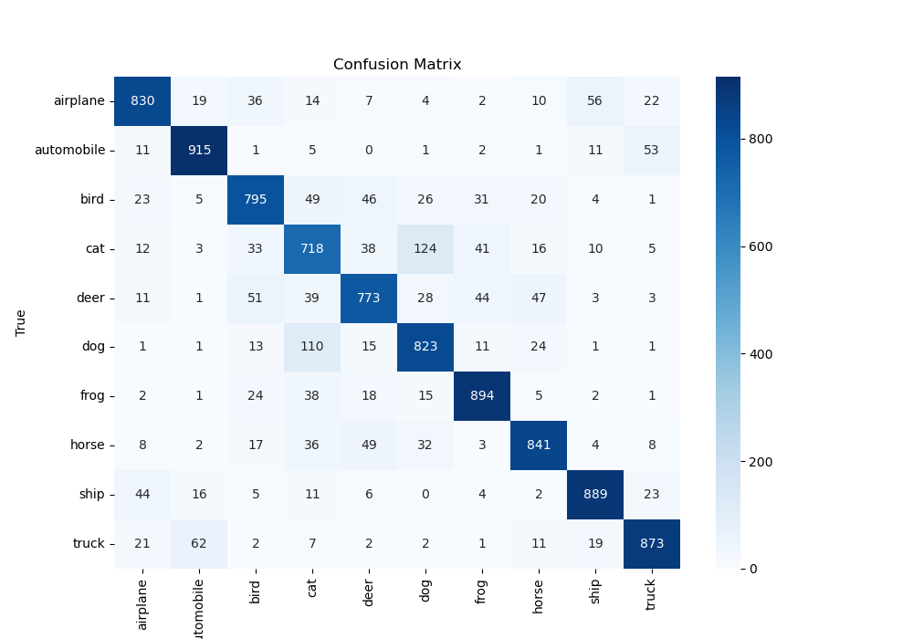
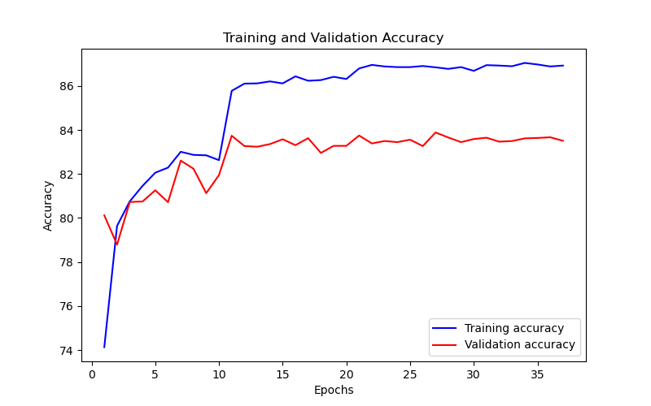
Epoch | Train Accuracy | Train Loss | Validation Accuracy | Validation Loss
1 | 74.13 | 0.655 | 80.12 | 0.596
2 | 79.64 | 0.601 | 78.79 | 0.651
3 | 80.76 | 0.593 | 80.73 | 0.584
4 | 81.46 | 0.548 | 80.75 | 0.577
5 | 82.06 | 0.542 | 81.26 | 0.573
6 | 82.29 | 0.533 | 80.72 | 0.586
7 | 83.01 | 0.533 | 82.61 | 0.531
8 | 82.87 | 0.553 | 82.24 | 0.563
9 | 82.85 | 0.529 | 81.13 | 0.593
10 | 82.63 | 0.551 | 81.95 | 0.577
11 | 85.78 | 0.411 | 83.74 | 0.503
12 | 86.11 | 0.415 | 83.27 | 0.503
13 | 86.12 | 0.419 | 83.24 | 0.506
14 | 86.21 | 0.411 | 83.36 | 0.497
15 | 86.12 | 0.408 | 83.58 | 0.493
16 | 86.44 | 0.405 | 83.31 | 0.499
17 | 86.24 | 0.403 | 83.63 | 0.491
18 | 86.27 | 0.401 | 82.96 | 0.504
19 | 86.42 | 0.384 | 83.28 | 0.504
20 | 86.32 | 0.409 | 83.28 | 0.496
21 | 86.8 | 0.385 | 83.75 | 0.491
22 | 86.96 | 0.391 | 83.39 | 0.498
23 | 86.89 | 0.377 | 83.5 | 0.495
24 | 86.86 | 0.376 | 83.45 | 0.498
25 | 86.86 | 0.381 | 83.56 | 0.493
26 | 86.91 | 0.385 | 83.27 | 0.496
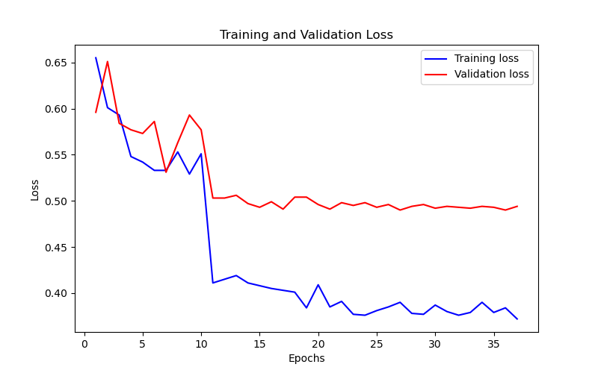
27 | 86.85 | 0.39 | 83.89 | 0.49
28 | 86.78 | 0.378 | 83.66 | 0.494
29 | 86.86 | 0.377 | 83.45 | 0.496
30 | 86.69 | 0.387 | 83.59 | 0.492
31 | 86.95 | 0.38 | 83.65 | 0.494
32 | 86.93 | 0.376 | 83.47 | 0.493
33 | 86.9 | 0.379 | 83.5 | 0.492
34 | 87.05 | 0.39 | 83.62 | 0.494
35 | 86.98 | 0.379 | 83.64 | 0.493
36 | 86.89 | 0.384 | 83.67 | 0.49
37 | 86.93 | 0.372 | 83.51 | 0.494

